Group Requirements
 | FALLS CREEK CENTRAL SNOWSPORTS PTY LTD |  |  |  |  |  |  |  |  |  |  | GROUP BOOKING FORM
 | Independent, Family Owned and Operated, Australia |  |  |  |  |  |  |  |  |  |  | RESERVATIONS@CENTRALSNOWSPORTS.COM.AU
 |  |  |  |  |  |  |  |  |  |  |  | SPREADSHEET DUE BY: |  |  |  | -14

GROUP NAME |  |  |  |  |  |  | CITY |  | STATE |  | ON MOUNTAIN CONTACT
FIRST DAY OF HIRE |  | FITTING DAY |  |  | ACCOUNTS EMAIL ADDRESS |  |  |  |  |  | ON MOUNTAIN PHONE:
LAST DAY OF HIRE |  | FITTING TIME |  |  | CONTACT EMAIL ADDRESS |  |  |  |  |  | ON MOUNTAIN ACCOMODATION
LAST NAME | FIRST NAME | D.O.B DD/MM/YYYY | FOOT LENGTH (CM) | WEIGHT (KG) | HEIGHT (CM) | SKIER TYPE | HARDWARE REQUIRED | HELMET | PARKA | PANTS | W/G | GOG | OWN BOOTS | AGE | TEACHER / ADULT | OPTIONAL / NOTES

 |  |  |  |  |  |  |  |  |  |  |  |  |  | 0
 |  |  |  |  |  |  |  |  |  |  |  |  |  | 0
 |  |  |  |  |  |  |  |  |  |  |  |  |  | 0
 |  |  |  |  |  |  |  |  |  |  |  |  |  | 0
 |  |  |  |  |  |  |  |  |  |  |  |  |  | 0
 |  |  |  |  |  |  |  |  |  |  |  |  |  | 0
 |  |  |  |  |  |  |  |  |  |  |  |  |  | 0
 |  |  |  |  |  |  |  |  |  |  |  |  |  | 0
 |  |  |  |  |  |  |  |  |  |  |  |  |  | 0
 |  |  |  |  |  |  |  |  |  |  |  |  |  | 0
 |  |  |  |  |  |  |  |  |  |  |  |  |  | 0
 |  |  |  |  |  |  |  |  |  |  |  |  |  | 0
 |  |  |  |  |  |  |  |  |  |  |  |  |  | 0
 |  |  |  |  |  |  |  |  |  |  |  |  |  | 0
 |  |  |  |  |  |  |  |  |  |  |  |  |  | 0
 |  |  |  |  |  |  |  |  |  |  |  |  |  | 0
 |  |  |  |  |  |  |  |  |  |  |  |  |  | 0
 |  |  |  |  |  |  |  |  |  |  |  |  |  | 0
 |  |  |  |  |  |  |  |  |  |  |  |  |  | 0
 |  |  |  |  |  |  |  |  |  |  |  |  |  | 0
 |  |  |  |  |  |  |  |  |  |  |  |  |  | 0
 |  |  |  |  |  |  |  |  |  |  |  |  |  | 0
 |  |  |  |  |  |  |  |  |  |  |  |  |  | 0
 |  |  |  |  |  |  |  |  |  |  |  |  |  | 0
 |  |  |  |  |  |  |  |  |  |  |  |  |  | 0
 |  |  |  |  |  |  |  |  |  |  |  |  |  | 0
 |  |  |  |  |  |  |  |  |  |  |  |  |  | 0
 |  |  |  |  |  |  |  |  |  |  |  |  |  | 0
 |  |  |  |  |  |  |  |  |  |  |  |  |  | 0
 |  |  |  |  |  |  |  |  |  |  |  |  |  | 0
 |  |  |  |  |  |  |  |  |  |  |  |  |  | 0
 |  |  |  |  |  |  |  |  |  |  |  |  |  | 0
 |  |  |  |  |  |  |  |  |  |  |  |  |  | 0
 |  |  |  |  |  |  |  |  |  |  |  |  |  | 0
 |  |  |  |  |  |  |  |  |  |  |  |  |  | 0
 |  |  |  |  |  |  |  |  |  |  |  |  |  | 0
 |  |  |  |  |  |  |  |  |  |  |  |  |  | 0
 |  |  |  |  |  |  |  |  |  |  |  |  |  | 0
 |  |  |  |  |  |  |  |  |  |  |  |  |  | 0
 |  |  |  |  |  |  |  |  |  |  |  |  |  | 0
 |  |  |  |  |  |  |  |  |  |  |  |  |  | 0
 |  |  |  |  |  |  |  |  |  |  |  |  |  | 0
 |  |  |  |  |  |  |  |  |  |  |  |  |  | 0
 |  |  |  |  |  |  |  |  |  |  |  |  |  | 0
 |  |  |  |  |  |  |  |  |  |  |  |  |  | 0
 |  |  |  |  |  |  |  |  |  |  |  |  |  | 0
 |  |  |  |  |  |  |  |  |  |  |  |  |  | 0
 |  |  |  |  |  |  |  |  |  |  |  |  |  | 0
 |  |  |  |  |  |  |  |  |  |  |  |  |  | 0
 |  |  |  |  |  |  |  |  |  |  |  |  |  | 0
INSERT LINES ABOVE HERE
 |  |  |  |  | SKIING |  | 0 | HELMET | 1 PC | 2 PC | W/GUARDS | GOGGLES | TEACHERS / ADULTS
 |  |  |  |  | SNOWBOARDING |  | 0 | 0 | 0 | 0 | 0 | 0 |  |  | 0
 |  |  |  |  | TOTALS |  | 0 |  | 0 | 0 |  | 0
 |  |  |  |  |  | COST
 |  |  |  |  | $ |  | $- |  | $- | $- |  | $- |  |  | $-

SKIER TYPE
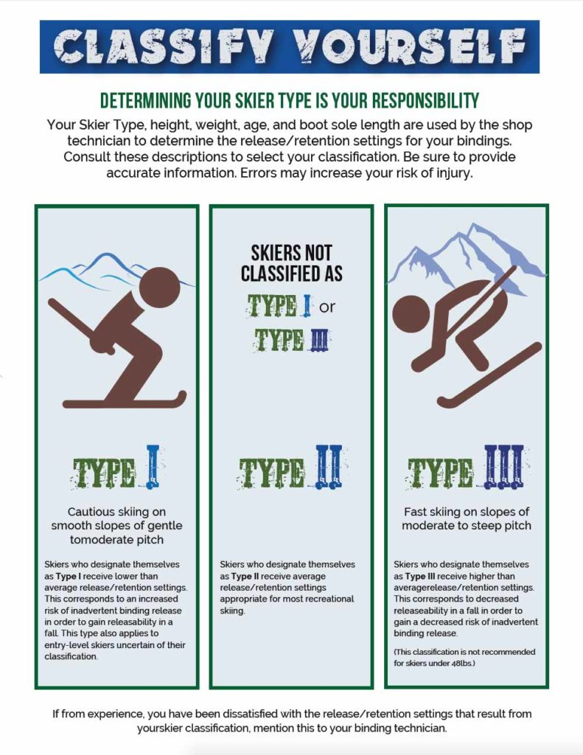

2024 Pricing


